Pine
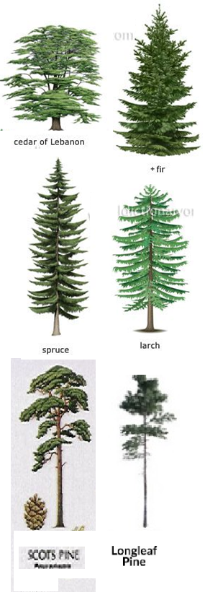
Pine Trees
Original file name | New file name | Height (blocks) | Leaf type | Width description | additional info | Pine type
Pine_Tiny03 | fir01 | 7 | Spruce | wide | small pine | Fir
nb_pine_thin_s_101 | fir02 | 9 | Spruce | normal | thin trunk | Fir
Pine_Tiny06 | fir03 | 9 | Spruce | wide | small pine | Fir
Pine_Tiny07 | fir04 | 9 | Spruce | wide | small pine | Fir
Pine_Small_Thin03 | fir05 | 11 | Spruce | thin | airy | Fir
Pine_Small03 | fir06 | 15 | Spruce | normal |  | Fir
pine_18m | fir07 | 17 | Acacia | normal | thin trunk | Fir
France66 | fir08 | 18 | Spruce | normal | very fat trunk, kinked | fir
France13 | fir09 | 19 | Spruce | normal | slightly airy | Fir
nb_pine_L_02 | fir10 | 21 | Spruce | normal | christmas-tree shape | Fir
Pine_Large_Fat04 | fir11 | 23 | Spruce | normal |  | Fir
France30 | fir12 | 24 | Spruce | normal |  | Fir
Pine_Large_Fat01 | fir13 | 25 | Spruce | normal |  | fir
Pine_High_Large02 | fir14 | 27 | Spruce | wide | short fat trunk, ferns | Fir
Pine_Large_Fat02 | fir15 | 28 | Spruce | normal |  | Fir
France82 | fir16 | 30 | mixed | normal |  | fir
France80 | fir17 | 31 | Mixed | normal | fir shaped | Fir
France10 | fir18 | 40 | Spruce | XXL | slightly airy | Fir
France11 | fir19 | 41 | Spruce | XXL | slightly airy | Fir
Pine_Tiny04 | larch01 | 6 | Spruce | thin | small pine | Larch
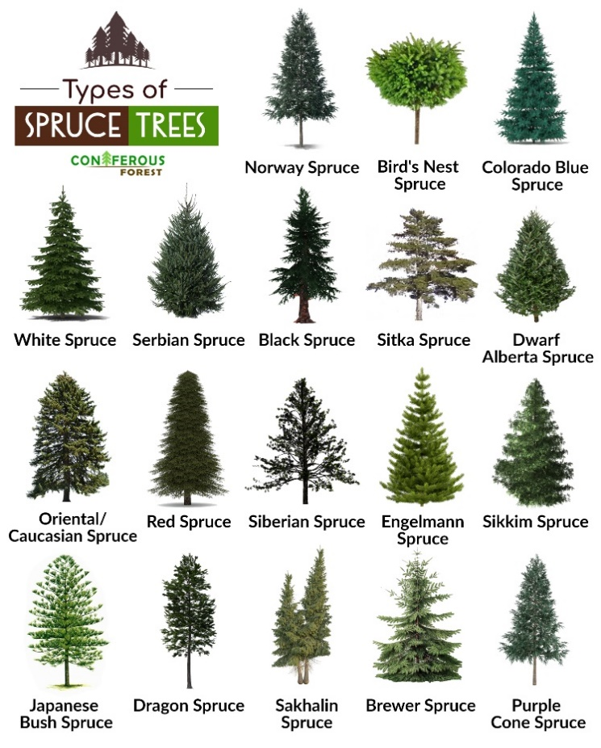
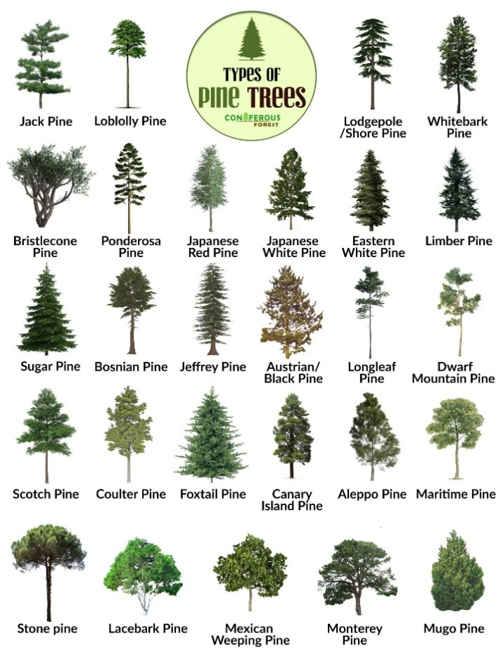
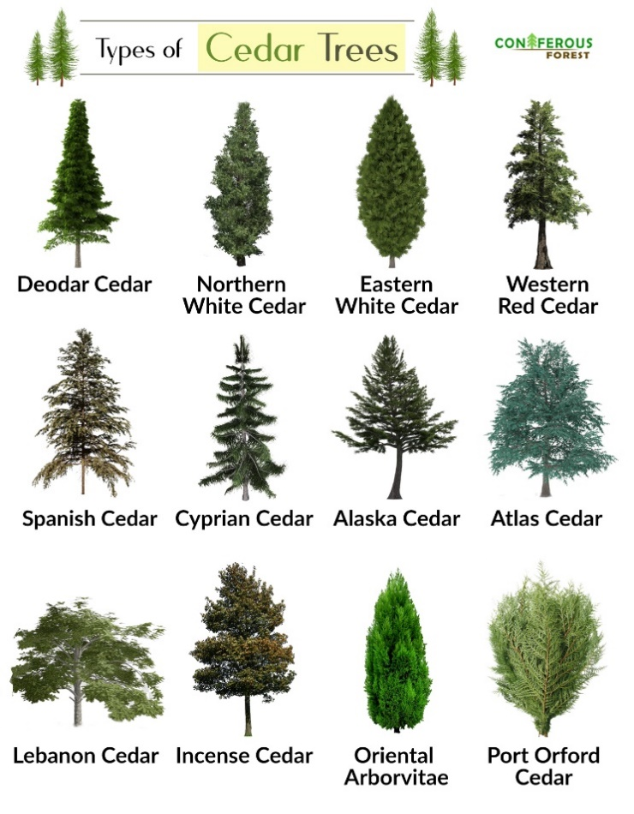
Pine_Tiny02 | larch02 | 7 | Spruce | normal | small pine | Larch
Pine_Tiny11 | larch03 | 7 | Spruce | normal | small pine | Larch
Pine_Tiny12 | larch04 | 8 | Spruce | normal | small pine | Larch
alps06 | larch05 | 10 | Spruce | normal | small, pine-like tree | Larch
Pine_Small07 | larch06 | 12 | Spruce | normal | airy, thick trunk | Larch
spruce_12m | larch07 | 12 | Spruce | normal | pine-like | Larch
Pine_Small08 | larch08 | 13 | Spruce | normal | airy, thick trunk | Larch
nb_pine_m_01 | larch09 | 15 | Spruce | thin |  | Larch
Pine_Small01 | larch10 | 15 | Spruce | normal |  | Larch
Pine_Small02 | larch11 | 15 | Spruce | normal | slitghtly fat | Larch
Pine_Small05 | larch12 | 16 | Spruce | normal | grass& stuff | Larch
Pine_Small11 | larch13 | 17 | Spruce | normal |  | Larch
Pine_Small12 | larch14 | 21 | Spruce | normal | This is not small :DD | Larch
Pine_Large_Fat03 | larch15 | 22 | Spruce | normal | short trunk | Larch
Pine_Medium04 | larch16 | 22 | Spruce | normal | slightly fat | Larch
France39 | larch17 | 22 | Spruce | normal | airy, saplings | Larch
Pine_Medium02 | larch18 | 23 | Spruce | normal | long trunk, kind of fat | Larch
France16 | larch19 | 23 | Spruce | normal | slightly airy | Larch
France12 | larch20 | 27 | Spruce | normal | slightly airy/slightly fat | Larch
France15 | larch21 | 28 | Spruce | normal | slightly airy/slightly fat | Larch
France27 | larch22 | 36 | Spruce | XXL | slithly airy, kind of fat | Larch
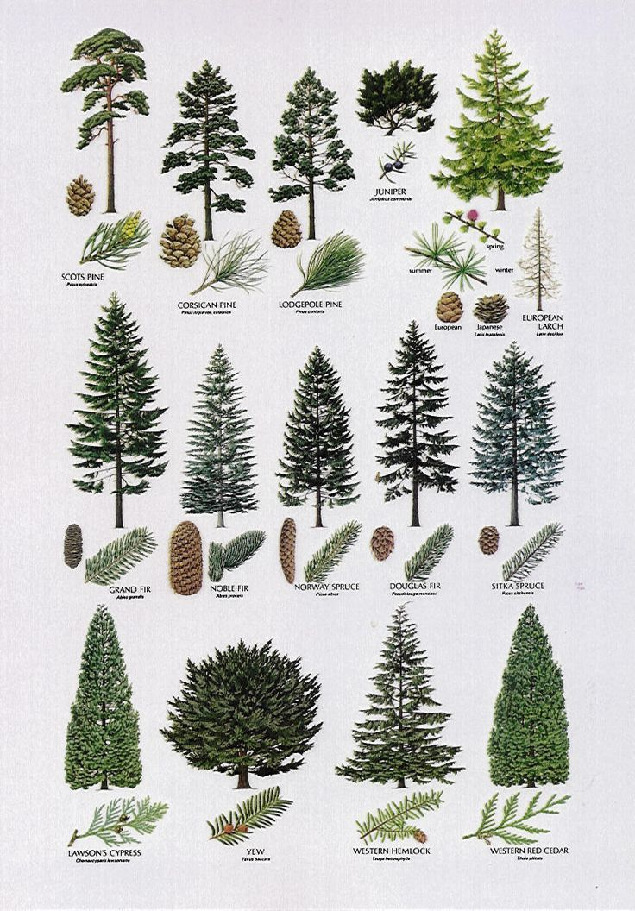
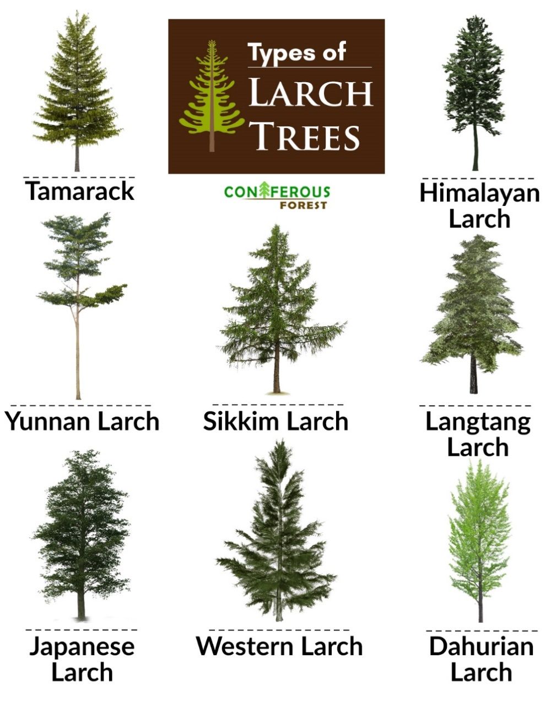
France54 | longleaf01 | 16 | Spruce | thin | airy | Longleaf pine
Pine_Small_Thin01 | longleaf02 | 16 | Spruce | thin | long trunk | Longleaf pine
Pine_airy_thin2 | longleaf03 | 17 | Spruce | thin | thin trunk, airy thin pine | Longleaf pine
Pine_airy_thin4 | longleaf04 | 18 | Spruce | thin | thin trunk, airy thin pine | Longleaf pine
nb_pine_L_01 | longleaf05 | 19 | Spruce | thin | very sparse, scots pine | Longleaf pine
Pine_airy_thin3 | longleaf06 | 19 | Spruce | thin | thin trunk, airy thin pine | Longleaf pine
France56 | longleaf07 | 19 | Spruce | thin | airy | Longleaf pine
Pine_airy_thin1 | longleaf08 | 21 | Spruce | thin | thin trunk, airy thin pine | Longleaf pine
France55 | longleaf09 | 21 | Spruce | thin | airy | Longleaf pine
Pine_High03 | longleaf10 | 23 | Spruce | thin | long trunk | Longleaf pine
Pine_High08 | longleaf11 | 23 | Spruce | thin | very thin/long trunk | Longleaf pine
Pine_Medium03 | longleaf12 | 24 | Spruce | normal | long trunk | Longleaf pine
Pine_airy01 | longleaf13 | 25 | Spruce | thin | airy, saplings | Longleaf pine
Pine_airy07 | longleaf14 | 25 | Spruce | thin | very thin, very airy | Longleaf pine
Pine_High01__DNR | longleaf15 | 25 | Spruce | thin | very thin/long trunk, pine cone heads | Longleaf pine
Pine_High07 | longleaf16 | 25 | Spruce | thin | very thin/long trunk | Longleaf pine
Pine_High02 | longleaf17 | 26 | Spruce | thin | long trunk | Longleaf pine
Pine_airy08 | longleaf18 | 27 | Spruce | thin | long trunk, very airy | Longleaf pine
Pine_High | longleaf19 | 27 | Spruce | thin | long trunk | Longleaf pine
Pine_High09 | longleaf20 | 27 | Spruce | thin | very thin/long trunk | Longleaf pine
Pine_High11 | longleaf21 | 27 | Spruce | thin |  | Longleaf pine
Pine_High12__DNR | longleaf22 | 27 | Spruce | thin | pine cone heads, tall trunk | Longleaf pine
Pine_airy02 | longleaf23 | 28 | Spruce | thin | airy, saplings | Longleaf pine
Pine_airy06 | longleaf24 | 28 | Spruce | normal | very airy | Longleaf pine
Pine_airy12 | longleaf25 | 28 | Spruce | thin | long trunk, very airy | Longleaf pine
Pine_High10 | longleaf26 | 28 | Spruce | thin | very thin/airy | Longleaf pine
Pine_airy03 | longleaf27 | 29 | Spruce | thin | very airy, thin | Longleaf pine
Pine_airy09 | longleaf28 | 29 | Spruce | thin | long trunk, very airy | Longleaf pine
Pine_High04__DNR | longleaf29 | 29 | Spruce | thin | very thin/long trunk, pine cone heads | Longleaf pine
Pine_High06 | longleaf30 | 29 | Spruce | thin | very thin/long trunk | Longleaf pine
Pine_airy05 | longleaf31 | 31 | Spruce | thin | airy | Longleaf pine
Pine_airy11 | longleaf32 | 31 | Spruce | thin | long trunk, very airy | Longleaf pine
Pine_High05 | longleaf33 | 31 | Spruce | thin | very thin/long trunk | Longleaf pine
spruce tree 14 | longleaf34 | 31 | mixed | normal | airy | Longleaf pine
spruce tree 1 | longleaf35 | 32 | mixed | normal | airy | Longleaf pine
Pine_High14 | longleaf36 | 32 | Spruce | thin | airy, long trunk | Longleaf pine
Pine_airy04 | longleaf37 | 34 | Spruce | thin | airy, saplings | Longleaf pine
Pine_airy10 | longleaf38 | 34 | Spruce | thin | long trunk, airy | Longleaf pine
Pine_High13 | longleaf39 | 34 | Spruce | thin | airy, ferns, saplings | Longleaf pine
Pine_High15 | longleaf40 | 34 | Spruce | thin | airy, ferns, saplings | Longleaf pine
redpine7 | scott01 | 9 | spruce | normal | thin trunk | scots pine
redpine8 | scott02 | 11 | spruce | normal | twin thin trunk pines | scots pine
redpine2 | scott03 | 14 | spruce | normal | airy, thin trunk, slightly leaning | scots pine
redpine3 | scott04 | 16 | spruce | normal | airy, thin trunk | scots pine
redpine4 | scott05 | 16 | spruce | normal | thick trunk, airy | scots pine
redpine6 | scott06 | 16 | spruce | wide | thin trunk | scots pine
redpine1 | scott07 | 17 | spruce | normal | airy, thin trunk | scots pine
redpine5 | scott08 | 19 | spruce | normal | thick trunk, airy | scots pine
Pine_Tiny05 | spruce01 | 6 | Spruce | thin | small pine | Spruce
Pine_Tiny08 | spruce02 | 9 | Spruce | normal | small pine | Spruce
Pine_Tiny09 | spruce03 | 9 | Spruce | normal | small pine | Spruce
Pine_Tiny10 | spruce04 | 9 | Spruce | normal | small pine | Spruce
Pine_Tiny13 | spruce05 | 9 | Spruce | normal | small pine | Spruce
Pine_Small_Thin02 | spruce06 | 12 | Spruce | thin | airy | Spruce
Pine_Small_Thin04 | spruce07 | 13 | Spruce | thin | airy | Spruce
Pine_Small_Thin05 | spruce08 | 13 | Spruce | thin | airy | Spruce
Pine_Small04 | spruce09 | 15 | Spruce | normal | slightly thin | Spruce
Pine_Small06 | spruce10 | 15 | Spruce | normal | with custom pine cone heads <3 | Spruce
Pine_Small09 | spruce11 | 16 | Spruce | thin | very airy | Spruce
Pine_Small10 | spruce12 | 17 | Spruce | thin |  | Spruce
Pine_Medium01 | spruce13 | 22 | Spruce | normal | long trunk | spruce
Pine_Medium05 | spruce14 | 22 | Spruce | thin |  | Spruce
Pine_Jungle01__DNR | spruce15 | 24 | Spruce | thin | jungle wood, airy, pine cone heads | Spruce
spruce tree 11 | spruce16 | 24 | mixed | thin | airy | Spruce
spruce tree 4 | spruce17 | 24 | mixed | thin | airy | Spruce
Pine_Medium04__DNR | spruce18 | 25 | Spruce | thin | Pine cone heads | Spruce
Pine_Medium06 | spruce19 | 26 | Spruce | thin | airy | Spruce
Pine_Medium08 | spruce20 | 26 | Spruce | thin | airy | Spruce
France38 | spruce21 | 26 | Spruce | normal | airy, saplings | Spruce
France36 | spruce22 | 27 | Spruce | normal | airy | spruce
Pine_Medium07 | spruce23 | 28 | Spruce | thin | airy | Spruce
Pine_High_Large03 | spruce24 | 29 | Spruce | normal | puffy, fat trunk, ferns | Spruce
France34 | spruce25 | 29 | Spruce | normal | airy | spruce
France31 | spruce26 | 31 | Spruce | normal | kind of wonky shaped | Spruce
Pine_High_Large01 | spruce27 | 32 | Spruce | thin | airy, short trunk, ferns | Spruce
France35 | spruce28 | 32 | Spruce | normal | kind of wide, airy, saplings | spruce
France09 | spruce29 | 33 | Spruce | normal | slightly airy | Spruce
France17 | spruce30 | 38 | Spruce | XXL | slightly airy | Spruce
Pine_Giant01_DNR | spruce31 | 41 | Spruce | XXL | fat roots, pine cone heads, ferns | Spruce
spruce tree 5 | spruce32 | 41 | mixed | thin | extrathin, extratall, twisted, airy | spruce
spruce tree 6 | spruce33 | 41 | mixed | thin | extrathin, extratall, airy | spruce
spruce tree 8 | spruce34 | 46 | mixed | XXl | airy | Spruce
France28 | spruce35 | 47 | Spruce | XXL | thick trunk, very airy, tall | Spruce
spruce tree 7 | spruce36 | 48 | mixed | xxl | airy | Spruce
spruce tree 13 | spruce37 | 48 | mixed | XXL | extrathin, extratall, twisted, airy | Spruce
France18 | spruce38 | 65 | Spruce | XXL | Giant pine | Spruce
France51 | cedar01 | 16 | Spruce | wide | airy, long trunk, wide.. Cedar? | Cedar
France52 | cedar02 | 17 | Spruce | wide | airy, long trunk, wide.. Cedar? | Cedar
France50 | cedar03 | 26 | Spruce | wide | airy, long trunk, wide.. Cedar? | Cedar
France14 | cedar04 | 39 | Spruce | XXL | fine-like cedar, airy | Cedar

File list
Original file name | New file name | Height (blocks) | Leaf type | Width description | additional info | Picture |  |  | pine types |  |  | Leaf types | Width description
acacia_12mwide |  | 12 | Acacia | wide |  |  |  |  | Spruce |  |  | Oak | thin
acacia_16m |  | 16 | Jungle | normal | twin trunk |  |  |  | Pine |  |  | Spruce | normal
birch_11m |  | 11 | Birch | normal |  |  |  |  | Larch |  |  | Birch | wide
Birch_airy_Medium01 |  | 19 | Birch | thin | airy, long trunk |  |  |  | Cedar |  |  | Jungle | XXL
Birch_airy_Medium02 |  | 24 | Birch | thin | airy, long trunk |  |  |  | Fir |  |  | Acacia | dead
Birch_airy_Medium03 |  | 20 | Birch | thin | airy, long trunk |  |  |  | Longleaf pine |  |  | Dark Oak | -
Birch_airy_Medium04 |  | 21 | Birch | thin | airy, long trunk |  |  |  |  |  |  | Mixed
Birch_airy_Small01 |  | 17 | Birch | thin | very airy |  |  |  |  |  |  | none
Birch_airy_Small02 |  | 13 | Birch | thin | airy
Birch_airy_Small03 |  | 19 | Birch | thin | airy, long trunk |  |  |  | If you are using the treepack, this page is only important for you if you want to search back a schematic you used in the previous version of the pack
Birch_airy_Small04 |  | 15 | Birch | thin | airy
Birch_airy_Small05 |  | 19 | Birch | thin | airy, long trunk
Birch_airy_Small06 |  | 16 | Birch | thin | airy, long trunk
Birch_airy_Small07 |  | 16 | Birch | thin | airy
Birch_Dark_airy01 |  | 8 | Birch | thin | airy, dark fence trunk
Birch_Dark_airy02 |  | 10 | Birch | normal | airy, dark fence trunk
Birch_Dark_airy03 |  | 9 | Birch | normal | airy, dark fence trunk
Birch_Dark_airy04 |  | 9 | Birch | normal | airy, dark fence trunk
Birch_Dark_airy05 |  | 9 | Birch | normal | airy, dark fence trunk
Birch_Medium01 |  | 17 | Birch | normal | thick , kind of long trunk
Birch_Medium02 |  | 16 | Birch | normal | thick trunk
Birch_Small01 |  | 11 | Birch | normal | twin trees, unrealistic, thick trunk
Birch_Small02 |  | 12 | Birch | normal | thick trunk, unrealistic
Birch_Tiny01 |  | 4 | Birch | wide | mini tree
Birch_Tiny02 |  | 5 | Birch | wide | mini tree
Birch_Tiny03 |  | 4 | Birch | wide | mini tree
Birch_Tiny04 |  | 5 | Birch | wide | thin trunk
Birch_Tiny05 |  | 8 | Birch | wide | thin trunk
Birch_Tiny06 |  | 6 | Birch | wide | thin trunk
Birch_Tiny07 |  | 9 | Birch | wide | thin trunk
Birch_Tiny08 |  | 9 | Birch | normal | thin trunk
Birch_Tiny09 |  | 8 | Birch | wide | thin trunk
Birch_Tiny10 |  | 9 | Birch | normal | thin trunk
Birch_Tiny11 |  | 10 | Birch | normal | thin trunk
Birch_Tiny12 |  | 9 | Birch | normal | thin trunk
Birch_Tiny13 |  | 8 | Birch | normal | thin trunk
Birch_Tiny14 |  | 8 | Birch | normal | thin trunk
Birch_Tiny15 |  | 8 | Birch | normal | thin trunk
Birch_Tiny078 |  | 9 | Birch | normal | thin trunk
Bushes01 |  | 2 | Mixed | - | bush group with ferns and oak saplings |  |  |  |  | No need to center them
Bushes02 |  | 3 | Mixed | - | bush group with ferns and oak saplings |  |  |  |  | No need to center them
Bushes03 |  | 3 | Mixed | - | bush group with ferns and oak saplings |  |  |  |  | No need to center them
Bushes04 |  | 2 | Oak | - | bush group with ferns and oak saplings |  |  |  |  | No need to center them
Bushes05 |  | 3 | Mixed | - | bush group with ferns and oak saplings |  |  |  |  | No need to center them
Bushes06 |  | 2 | Mixed | - | bush group with ferns and oak saplings |  |  |  |  | No need to center them
Bushes07 |  | 3 | Oak | - | bush group with ferns and oak saplings |  |  |  |  | No need to center them
Bushes08 |  | 3 | Oak | - | bush group with ferns |  |  |  |  | No need to center them
Bushes09 |  | 3 | Mixed | - | bush group with ferns |  |  |  |  | No need to center them
City_Oak_Tree01 |  | 13 | Mixed | normal | cypress-like with vines, thick trunk
City_Oak_Tree02 |  | 14 | Oak | normal | poplar-like, thick trunk
City_Oak_Tree03 |  | 13 | Oak | normal | thick trunk, vines |  |  |  | poplar like?
City_Oak_Tree04 |  | 16 | Oak | thin | thick trunk thin tree with vines |  |  |  | poplar like?
City_Oak_Tree05 |  | 14 | Oak | thin | thick trunk |  |  |  | poplar like?
City_Oak_Tree06 |  | 10 | Oak | thin | thick trunk potted thin tree with vines
Dead_Tree01 | dead1 | 13 | none | dead | Jungle 13 without leaves
Dead_Tree02 | dead2 | 27 | none | dead | oaktree1 without leaves
Dead_Tree03 | dead3 |  | none | dead | plane_22m without leaves
Dead_Tree04 | dead4 |  | none | dead | oak_23 without leaves
jungle_13 |  | 13 | Jungle | wide | thin trunk
mtree1 |  | 14 | Oak | normal | long thin trunk, small canopy
mtree2 |  | 11 | Oak | normal | thin trunk young oak
mtree3 |  | 13 | Oak | normal | thin trunk young oak
mtree4 |  | 12 | Oak | normal | thin trunk young oak
mtree5 |  | 11 | Oak | normal | thin trunk young oak
nb_birch_normal_501 |  | 15 | Birch | thin | thick trunk young birch
nb_birch_other_301 |  | 15 | Mixed | wide | thick trunk old birch tree with vines and grass
nb_birch_s_01 |  | 10 | Birch | thin | thin trunk
nb_birch_s_02 |  | 10 | Birch | normal | thin trunk
nb_birch_sphere_01 |  | 9 | Birch | normal | thin trunk, bush-like
nb_birch_sphere_02 |  | 10 | Birch | normal | thin trunk, bush-like
nb_birch_sphere_03 |  | 8 | Birch | normal | thin trunk, bush-like
nb_birch_sphere_04 |  | 9 | Birch | normal | thin trunk, bush-like
nb_birch_thick_m_01 |  | 13 | Birch | thin | thick trunk
nb_bush_01 |  | 2 | Spruce | - | bush
nb_cypress_01 |  | 12 | Birch | normal | cypress tree, slightly leaning
nb_cypress_02 |  | 10 | Birch | normal | cypress tree
nb_cypress_03 |  | 7 | Birch | normal | cypress tree
nb_cypress_04 |  | 15 | Birch | normal | cypress tree
nb_dead_s_01 |  | 10 | none | dead | small dead fence tree
nb_dead_s_02 |  | 9 | none | dead | small dead fence tree
nb_dead_s_03 |  | 8 | none | dead | small dead fence tree
nb_oak_normal_01 |  | 17 | Birch | normal | no fences
nb_oak_normal_02 |  | 24 | Oak | normal | tall, relatively thin
nb_oak_normal_03 |  | 22 | Mixed | thin | tall, relatively thin
nb_oak_normal_04 |  | 24 | Oak | normal | tall, relatively thin
nb_oak_normal_05 |  | 24 | Oak | normal | tall, relatively thin
nb_oak_normal_06 |  | 17 | Oak | normal | slightly airy young oak
nb_oak_other_301 |  | 21 | Oak | normal | slightly airy, old oak
nb_oak_s_01 |  | 9 | Oak | wide | thin trunk, branched, airy
nb_oak_s_02 |  | 10 | Oak | wide | thin trunk, branched, airy
nb_oak_s_03 |  | 8 | Oak | wide | thin trunk, branched
nb_oak_s_04 |  | 10 | Oak | wide | thin trunk, branched, airy
nb_oak_s_05 |  | 10 | Mixed | normal | thin trunk
nb_oak_s_06 |  | 10 | Mixed | normal | thin trunk
nb_oak_s_07 |  | 10 | Mixed | normal | thin trunk
nb_oak_s_08 |  | 9 | Mixed | normal | thin trunk
nb_oak_thick_s_01 |  | 9 | Mixed | normal | thick trunk, no fences
nb_oak_thick_s_02 |  | 9 | Mixed | normal | thick trunk, no fences
nb_oak_thick_s_03 |  | 9 | Mixed | normal | thick trunk, no fences
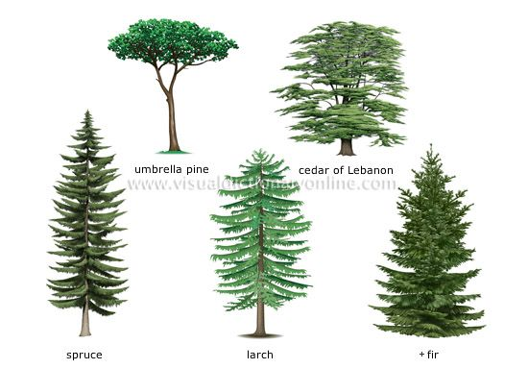
nb_oak_thick_s_04 |  | 9 | Mixed | normal | thick trunk, no fences
nb_oak_thick_s_05 |  | 9 | Oak | normal | thick trunk
nb_oak_thick_xs_101 |  | 6 | Oak | wide | small fat tree
nb_other_birch_01 |  | 10 | Oak | normal | thin trunk willow/birch
nb_other_oak_01 |  | 10 | Oak | wide | small oak, thick trunk, vines and ground level leaves
nb_other_oak_02 |  | 9 | Mixed | - | tall oak bush with fences and vines
nb_pine_L_01 |  | 19 | Spruce | thin | very sparse, scots pine |  |  |  | Longleaf pine
nb_pine_L_02 |  | 21 | Spruce | normal | christmas-tree shape |  |  |  | Fir
nb_pine_m_01 |  | 15 | Spruce | thin |  |  |  |  | Larch
nb_pine_thin_s_101 |  | 9 | Spruce | normal | thin trunk |  |  |  | Fir
nb_thick_oak_01 |  | 11 | Birch | wide | thick trunk
nb_thick_oak_s_01 |  | 12 | Oak | wide | thick trunk, no fences
nb_tiny_01 |  | 5 | Mixed | wide | small fat tree
nb_tiny_02 |  | 6 | Mixed | wide | small fat tree
nb_tiny_03 |  | 6 | Mixed | normal | smal tree
nb_tiny_04 |  | 6 | Mixed | normal | smal tree
nb_tiny_05 |  | 5 | Jungle | wide | small fat tree
nb_tiny_06 |  | 5 | Jungle | normal | smal tree
nb_tiny_07 |  | 4 | Jungle | wide | small fat tree
oak_8m |  | 8 | Oak | normal
oak_14m |  | 14 | Oak | wide | thick trunk
oak_16m |  | 16 | Oak | normal | thin trunk
oak_16mfat |  | 16 | Birch | wide | very wide, thin trunk
oak_23m |  | 23 | Oak | wide | realistic big oak tree
Oak_airy01 |  | 16 | Oak | thin | thin trunk, airy
Oak_airy02 |  | 13 | Oak | thin | thin trunk, airy
Oak_airy03 |  | 13 | Oak | thin | very airy, thin trunk
Oak_airy04 |  | 14 | Oak | normal | thin trunk, airy
Oak_airy05 |  | 10 | Oak | thin | thin trunk, airy
Oak_airy06 |  | 15 | Oak | thin | thin trunk, airy
Oak_airy07 |  | 12 | Oak | thin | thin trunk, airy
Oak_Apple_Tree01 |  | 15 | Oak | normal | very unrealistic with apple heads
Oak_Large01 |  | 21 | Mixed | wide | old oak tree with vines, realistic trunk
Oak_Large02 |  | 19 | Mixed | wide | old oak tree with vines
Oak_Large03 |  | 17 | Oak | wide | thick trunk, tree heads
Oak_Large04 |  | 16 | Oak | wide | very thick trunk, unrealistic
Oak_Medium01 |  | 13 | Oak | wide | thick trunk
Oak_Medium02 |  | 12 | Oak | wide
Oak_Medium03 |  | 13 | Mixed | wide | thick trunk, vines
Oak_Medium04 |  | 16 | Mixed | wide | vines
Oak_Medium05 |  | 16 | Mixed | normal
Oak_Medium06 |  | 11 | Oak | normal | very thick trunk, unrealistic
Oak_Medium07 |  | 12 | Mixed | normal
Oak_Medium08 |  | 17 | Mixed | normal
Oak_Medium09 |  | 15 | Oak | wide
Oak_Medium10 |  | 18 | Mixed | normal
Oak_Medium11 |  | 17 | Mixed | normal
Oak_Medium12 |  | 18 | Oak | normal
Oak_Medium13 |  | 26 | Oak | normal | very long trunk
Oak_Medium14 |  | 18 | Mixed | normal | long trunk
Oak_Medium15 |  | 21 | Mixed | thin | slightlythin
Oak_Medium16 |  | 20 | Oak | normal | long trunk
Oak_Medium17 |  | 20 | Mixed | thin | long trunk
Oak_Small01 |  | 11 | Mixed | thin | fat trunk, unrealistic
Oak_Small02 |  | 9 | Mixed | thin | vines, fat trunk, unrealistic
Oak_Small03 |  | 9 | Oak | wide | fat trunk, kind of unrealistic
Oak_Thin01 |  | 9 | Oak | thin | very airy, branched
Oak_Tiny01 |  | 5 | Mixed | wide | short trunk
Oak_Tiny02 |  | 7 | Mixed | thin
Oak_Tiny03 |  | 7 | Mixed | normal | short trunk
Oak_Tiny04 |  | 8 | Mixed | normal | with ferns
Oak_Tiny05 |  | 9 | Mixed | normal
Oak_Tiny06 |  | 10 | Mixed | normal
Oak_Tiny07 |  | 7 | Oak | normal
Oak_Tiny08 |  | 7 | Mixed | wide | wide, short top
Oak_Tiny09 |  | 10 | Oak | normal
Oak_Tiny10 |  | 11 | Mixed | wide
Oak_Tiny11 |  | 5 | Mixed | normal
Oak_Tiny12 |  | 5 | Oak | normal
Oak_Tiny13 |  | 6 | Mixed | thin | with vines
Oak_Tiny14 |  | 8 | Mixed | thin
Oak_Tiny15 |  | 9 | Mixed | thin
Oak_Tiny16 |  | 7 | Oak | thin
Oak_Tiny17 |  | 7 | Oak | wide
Oak_Tiny18 |  | 7 | Oak | normal
Oak_Tiny19 |  | 12 | Mixed | normal
Oak_Tiny20 |  | 11 | Mixed | normal
Oak_Tiny21 |  | 11 | Oak | thin
Oak_Tiny22 |  | 11 | Oak | thin | long trunk
Oak_Tiny23 |  | 11 | Mixed | normal
Oak_Tiny24 |  | 11 | Oak | normal
Palm_Giant01 |  | 31 | Jungle | XXL | Thick trunk, wide, coconut heads, slightly leaning, vines
Palm_Medium01 |  | 14 | Jungle | wide | thick trunk, coconut heads, vines
Palm_Small01 |  | 14 | Jungle | normal | vines
Palm_Thin01 |  | 18 | Jungle | normal | straight trunk
Palm_Thin02 |  | 14 | Jungle | normal | straight trunk
Palm_Thin03 |  | 9 | Jungle | normal | slightly leaning palm tree
Palm_Thin04 |  | 9 | Jungle | normal | Sideways leaning palm tree
Palm_thin05 |  | 10 | Jungle | normal | small palm tree
pine_18m |  | 17 | Acacia | normal | thin trunk |  |  | Fir
Pine_airy_thin1 |  | 21 | Spruce | thin | thin trunk, airy thin pine |  |  | Longleaf pine
Pine_airy_thin2 |  | 17 | Spruce | thin | thin trunk, airy thin pine |  |  | Longleaf pine
Pine_airy_thin3 |  | 19 | Spruce | thin | thin trunk, airy thin pine |  |  | Longleaf pine
Pine_airy_thin4 |  | 18 | Spruce | thin | thin trunk, airy thin pine |  |  | Longleaf pine
Pine_airy01 |  | 25 | Spruce | thin | airy, saplings |  |  | Longleaf pine
Pine_airy02 |  | 28 | Spruce | thin | airy, saplings |  |  | Longleaf pine
Pine_airy03 |  | 29 | Spruce | thin | very airy, thin |  |  | Longleaf pine
Pine_airy04 |  | 34 | Spruce | thin | airy, saplings |  |  | Longleaf pine
Pine_airy05 |  | 31 | Spruce | thin | airy |  |  | Longleaf pine
Pine_airy06 |  | 28 | Spruce | normal | very airy |  |  | Longleaf pine
Pine_airy07 |  | 25 | Spruce | thin | very thin, very airy |  |  | Longleaf pine
Pine_airy08 |  | 27 | Spruce | thin | long trunk, very airy |  |  | Longleaf pine
Pine_airy09 |  | 29 | Spruce | thin | long trunk, very airy |  |  | Longleaf pine
Pine_airy10 |  | 34 | Spruce | thin | long trunk, airy |  |  | Longleaf pine
Pine_airy11 |  | 31 | Spruce | thin | long trunk, very airy |  |  | Longleaf pine
Pine_airy12 |  | 28 | Spruce | thin | long trunk, very airy |  |  | Longleaf pine
Pine_Giant01_DNR |  | 41 | Spruce | normal | fat roots, pine cone heads, ferns |  |  | Spruce
Pine_High |  | 27 | Spruce | thin | long trunk |  |  | Longleaf pine
Pine_High_Large01 |  | 32 | Spruce | thin | airy, short trunk, ferns |  |  | Spruce
Pine_High_Large02 |  | 27 | Spruce | wide | short fat trunk, ferns |  |  | Fir
Pine_High_Large03 |  | 29 | Spruce | normal | puffy, fat trunk, ferns |  |  | Spruce
Pine_High01__DNR |  | 25 | Spruce | thin | very thin/long trunk, pine cone heads |  |  | Longleaf pine
Pine_High02 |  | 26 | Spruce | thin | long trunk |  |  | Longleaf pine
Pine_High03 |  | 23 | Spruce | thin | long trunk |  |  | Longleaf pine
Pine_High04__DNR |  | 29 | Spruce | thin | very thin/long trunk, pine cone heads |  |  | Longleaf pine
Pine_High05 |  | 31 | Spruce | thin | very thin/long trunk |  |  | Longleaf pine
Pine_High06 |  | 29 | Spruce | thin | very thin/long trunk |  |  | Longleaf pine
Pine_High07 |  | 25 | Spruce | thin | very thin/long trunk |  |  | Longleaf pine
Pine_High08 |  | 23 | Spruce | thin | very thin/long trunk |  |  | Longleaf pine
Pine_High09 |  | 27 | Spruce | thin | very thin/long trunk |  |  | Longleaf pine
Pine_High10 |  | 28 | Spruce | thin | very thin/airy |  |  | Longleaf pine
Pine_High11 |  | 27 | Spruce | thin |  |  |  | Longleaf pine
Pine_High12__DNR |  | 27 | Spruce | thin | pine cone heads, tall trunk |  |  | Longleaf pine
Pine_High13 |  | 34 | Spruce | thin | airy, ferns, saplings |  |  | Longleaf pine
Pine_High14 |  | 32 | Spruce | thin | airy, long trunk |  |  | Longleaf pine
Pine_High15 |  | 34 | Spruce | thin | airy, ferns, saplings |  |  | Longleaf pine
Pine_Jungle01__DNR |  | 24 | Spruce | thin | jungle wood, airy, pine cone heads |  |  | Spruce
Pine_Large_Fat01 |  | 25 | Spruce | normal |  |  |  | fir
Pine_Large_Fat02 |  | 28 | Spruce | normal |  |  |  | Fir
Pine_Large_Fat03 |  | 22 | Spruce | normal | short trunk |  |  | Larch
Pine_Large_Fat04 |  | 23 | Spruce | normal |  |  |  | Fir
Pine_Medium01 |  | 22 | Spruce | normal | long trunk |  |  | spruce
Pine_Medium02 |  | 23 | Spruce | normal | long trunk, kind of fat |  |  | Larch
Pine_Medium03 |  | 24 | Spruce | normal | long trunk | New cat? |  | Spruce
Pine_Medium04 |  | 22 | Spruce | normal | slightly fat |  |  | Larch
Pine_Medium04__DNR |  | 25 | Spruce | thin | Pine cone heads |  |  | Spruce
Pine_Medium05 |  | 22 | Spruce | thin |  |  |  | Spruce
Pine_Medium06 |  | 26 | Spruce | thin | airy |  |  | Spruce
Pine_Medium07 |  | 28 | Spruce | thin | airy |  |  | Spruce
Pine_Medium08 |  | 26 | Spruce | thin | airy |  |  | Spruce
Pine_Small_Thin01 |  | 16 | Spruce | thin | long trunk |  |  | Pine
Pine_Small_Thin02 |  | 12 | Spruce | thin | airy |  |  | Spruce
Pine_Small_Thin03 |  | 11 | Spruce | thin | airy |  | fir? | Larch
Pine_Small_Thin04 |  | 13 | Spruce | thin | airy |  |  | Spruce
Pine_Small_Thin05 |  | 13 | Spruce | thin | airy |  |  | Spruce
Pine_Small01 |  | 15 | Spruce | normal |  |  | Fir? | Larch
Pine_Small02 |  | 15 | Spruce | normal | slitghtly fat |  | fir? | Larch
Pine_Small03 |  | 15 | Spruce | normal |  |  |  | Fir
Pine_Small04 |  | 15 | Spruce | normal | slightly thin |  |  | Spruce
Pine_Small05 |  | 16 | Spruce | normal | grass& stuff |  |  | Larch
Pine_Small06 |  | 15 | Spruce | normal | with custom pine cone heads <3 |  |  | Spruce
Pine_Small07 |  | 12 | Spruce | normal | airy, thick trunk |  |  | Larch
Pine_Small08 |  | 13 | Spruce | normal | airy, thick trunk |  |  | Larch
Pine_Small09 |  | 16 | Spruce | thin | very airy |  |  | Spruce
Pine_Small10 |  | 17 | Spruce | thin |  |  |  | Spruce
Pine_Small11 |  | 17 | Spruce | normal |  |  |  | Larch
Pine_Small12 |  | 21 | Spruce | normal | This is not small :DD |  |  | Larch
Pine_Snowy_Large |  | 30 | Spruce | normal | has snow on it |  |  | Spruce
Pine_Snowy_Medium |  | 23 | Spruce | normal | has snow on it |  |  | Spruce
Pine_Snowy_Small |  | 17 | Spruce | normal | has snow on it |  |  | Spruce
Pine_Tiny02 |  | 7 | Spruce | normal | small pine |  |  | Larch
Pine_Tiny03 |  | 7 | Spruce | wide | small pine |  |  | Fir
Pine_Tiny04 |  | 6 | Spruce | thin | small pine |  |  | Larch
Pine_Tiny05 |  | 6 | Spruce | thin | small pine |  |  | Spruce
Pine_Tiny06 |  | 9 | Spruce | wide | small pine |  |  | Fir
Pine_Tiny07 |  | 9 | Spruce | wide | small pine |  |  | Fir
Pine_Tiny08 |  | 9 | Spruce | normal | small pine |  |  | Spruce
Pine_Tiny09 |  | 9 | Spruce | normal | small pine |  |  | Spruce
Pine_Tiny10 |  | 9 | Spruce | normal | small pine |  |  | Spruce
Pine_Tiny11 |  | 7 | Spruce | normal | small pine |  |  | Larch
Pine_Tiny12 |  | 8 | Spruce | normal | small pine |  |  | Larch
Pine_Tiny13 |  | 9 | Spruce | normal | small pine |  |  | Spruce
poplar_01 |  | 17 | Oak | thin
poplar_02 |  | 15 | Oak | thin
poplar_03 |  | 18 | Mixed | thin | oak/birch
poplar_04 |  | 17 | Mixed | thin | oak/birch
poplar_05 |  | 16 | Mixed | thin | oak/birch
Snowy_Pine_Large |  | 29 | Spruce | normal | has snow on it |  |  | Spruce
Snowy_Pine_Medium |  | 22 | Spruce | normal | has snow on it |  |  | Spruce
Snowy_Pine_Small |  | 16 | Spruce | normal | has snow on it |  |  | Spruce
spruce_12m |  | 12 | Spruce | normal | pine-like |  |  | Larch
spruce_16 |  | 16 | Spruce | wide | fat tree, circular canopy
Swamp_Large01 |  | 30 | Dark Oak | thin | Mangrove root giant tree
Swamp_Large02 |  | 30 | Dark Oak | thin | Mangrove root giant tree
Swamp_Medium01 |  | 21 | Dark Oak | thin | Mangrove root giant tree
Swamp_Medium02 |  | 21 | Dark Oak | thin | Mangrove root giant tree
Swamp_Medium03 |  | 28 | Dark Oak | thin | Mangrove root giant tree
Swamp_Plant01 |  | 8 | Mixed | thin | swamp plant, unrealistic
Swamp_Plant02 |  | 7 | Mixed | thin | swamp plant, unrealistic
Swamp_Plant03 |  | 7 | Mixed | thin | swamp plant, unrealistic
Swamp_Plant04 |  | 7 | Dark Oak | thin | swamp plant, unrealistic
Swamp_Rock01 |  | 5 | Mixed | - | boulder
Swamp_Rock02 |  | 8 | Mixed | - | boulder
Swamp_Roots_Medium01 |  | 7 | none | dead | cut off stump
Swamp_Roots_Medium02 |  | 7 | Dark Oak | dead | cut off stump
Swamp_Roots_Medium03 |  | 8 | Dark Oak | dead | cut off stump
Swamp_Roots_Medium04 |  | 7 | Dark Oak | dead | cut off stump
Swamp_Roots_Medium05 |  | 7 | Dark Oak | dead | cut off stump
Swamp_Roots_Medium06 |  | 8 | Mixed | dead | cut off stump
Swamp_Roots_Medium07 |  | 9 | Mixed | dead | Cut off stump
Swamp_Roots_Small01 |  | 8 | none | dead | bare stump
Swamp_Roots_Small02 |  | 8 | none | dead | bare stump
Swamp_Roots_Small04 |  | 6 | none | dead | bare stump
Swamp_Roots_Small05 |  | 7 | none | dead | bare stump
Swamp_Roots_Small06 |  | 7 | none | dead | bare stump
Swamp_Small01 |  | 15 | Mixed | thin | mangrove
t1 |  | 21 | Oak | normal | old oak like
t2 |  | 21 | Oak | normal | old oak like
t3 |  | 21 | Oak | normal | old oak like
t4 |  | 23 | Oak | normal | old oak like
jegenyefa |  | 24 | Birch | normal | poplar-like, thick trunk
small_tree1 |  | 9 | Mixed | normal | thin trunk, ferns
harsfa_2 |  | 14 | Oak | normal | thin, long trunk
harsfa_14m_keskeny |  | 13 | Oak | thin | thin trunk
plane_23mextrafat |  | 23 | Jungle | Wide | plane tree
plane_25mextrafat |  | 25 | Jungle | Wide | plane tree
YellowMerantiXL |  | 73 | Acacia | XXL | Extra Large |  | Epic trees repository by Zerpen7 on PMC
YellowMerantiL |  | 63 | Acacia | XXL | Large |  | Epic trees repository by Zerpen7 on PMC
YellowMeranti |  | 45 | Acacia | XXL | normal |  | Epic trees repository by Zerpen7 on PMC
YellowMerantiM |  | 53 | Acacia | XXL | Medium |  | Epic trees repository by Zerpen7 on PMC
YellowMerantiS |  | 45 | Acacia | XXL | small |  | Epic trees repository by Zerpen7 on PMC
MountainAsh |  | 58 | Birch | XXL | Normal |  | Epic trees repository by Zerpen7 on PMC
MountainAshL |  | 67 | Birch | XXL | Large |  | Epic trees repository by Zerpen7 on PMC
MountainAshT |  | 70 | Birch | XXL | Tall |  | Epic trees repository by Zerpen7 on PMC
MountainAshXL |  | 84 | Birch | XXL | Extra Large |  | Epic trees repository by Zerpen7 on PMC
MountainAshM |  | 59 | Birch | XXL | Medium |  | Epic trees repository by Zerpen7 on PMC
MountainAshXT |  | 75 | Birch | XXL | Extra tall |  | Epic trees repository by Zerpen7 on PMC
CoastalFirXL |  | 68 | Spruce | XXL | Extra large |  | Epic trees repository by Zerpen7 on PMC
CoastalFirT |  | 54 | Spruce | XXL | Tall |  | Epic trees repository by Zerpen7 on PMC
CoastalFirL |  | 52 | Spruce | XXL | large |  | Epic trees repository by Zerpen7 on PMC
CoastalFirS |  | 48 | Spruce | XXL | small |  | Epic trees repository by Zerpen7 on PMC
CoastalFir |  | 50 | Spruce | XXL | normal |  | Epic trees repository by Zerpen7 on PMC
DeadCoastalFirXL |  | 64 | none | dead | XXL |  | Epic trees repository by Zerpen7 on PMC
DeadCoastalFirT |  | 52 | none | dead | XXL |  | Epic trees repository by Zerpen7 on PMC
DeadCoastalFirL |  | 50 | none | dead | XXL |  | Epic trees repository by Zerpen7 on PMC
DeadCoastalFirS |  | 45 | none | dead | XXL |  | Epic trees repository by Zerpen7 on PMC
DeadCoastalFir |  | 48 | none | dead | XXL |  | Epic trees repository by Zerpen7 on PMC
GiantSequoia |  | 60 | Birch | XXL | normal |  | Epic trees repository by Zerpen7 on PMC
GiantSequoiaT |  | 61 | Birch | XXL | Tall |  | Epic trees repository by Zerpen7 on PMC
GiantSequoiaL |  | 60 | Birch | XXL | Large |  | Epic trees repository by Zerpen7 on PMC
GiantSequoiaXW |  | 64 | Birch | XXL | extra wide |  | Epic trees repository by Zerpen7 on PMC
GiantSequoiaXL |  | 66 | Birch | XXL | extra large |  | Epic trees repository by Zerpen7 on PMC
GiantSequoiaXT |  | 62 | Birch | XXL | extra thick |  | Epic trees repository by Zerpen7 on PMC
GiantSequoiaB |  | 61 | Birch | XXL | Big |  | Epic trees repository by Zerpen7 on PMC
plane_22m |  | 22 | Oak | normal | plane tree
plane_30m |  | 30 | Birch | normal | plane tree
plane_21mexxtrathicc |  | 21 | Jungle | XXL | Extrawide
Carapa_procera1 |  | 22 | Jungle | normal | African crabwood | Africa |  |  | BTE Rainforests
Ceiba_Pentandra1 |  | 44 | Birch | XXL | kapok tree | Africa |  |  | BTE Rainforests
Corpse_Flower1 |  | 3 | none | - | Giant flower | Oceania |  |  | BTE Rainforests
ECylindricum-AF |  | 45 | Mixed | XXL | Congo rainforest giant tree |  |  |  | BTE Rainforests
EPrecatoria-SA |  | 20 | Dark Oak | normal | Caribbean palm with vines, make two smaller variants |  |  |  | BTE Rainforests
EPrecatoria-SA_medium |  | 17 | Dark Oak | normal | caribbean palm with vines
EPrecatoria-SA_small |  | 14 | Dark Oak | normal | caribbean palm with vines
Gilbertiodendron_dewevrei |  | 43 | Dark Oak | XXL | Kind of unrealistic, but had to find reference | Africa |  |  | BTE Rainforests
Hyperion |  | 115 | Mixed | XXL | kind of unrealistic, too thick. Tallest Seqioa |  |  |  | BTE Rainforests
Jackfruit_1 |  | 16 | Jungle | normal |  | Asia |  |  | BTE Rainforests
Kapok-Large |  | 70 | Mixed | XXL | Massive roots | Asia |  |  | BTE Rainforests
Khaya1 |  | 29 | Dark Oak | normal |  | Africa |  |  | BTE Rainforests
Khaya_Anthotheca1 |  | 28 | Dark Oak | normal |  | Africa |  |  | BTE Rainforests
kingpalm2 |  | 27 | Oak | normal | palm tree |  |  |  | BTE Rainforests
kingpalm3 |  | 23 | Oak | normal | palm tree |  |  |  | BTE Rainforests
kingpalm4 |  | 17 | Oak | normal | palm tree |  |  |  | BTE Rainforests
kingpalm5 |  | 13 | Oak | normal | palm tree |  |  |  | BTE Rainforests
nucifera2 |  | 33 | Oak | normal | coconut palm |  |  |  | BTE Rainforests
nucifera3 |  | 28 | Oak | normal | coconut palm |  |  |  | BTE Rainforests
nucifera4 |  | 24 | Oak | normal | coconut palm |  |  |  | BTE Rainforests
nucifera5 |  | 18 | Oak | normal | coconut palm |  |  |  | BTE Rainforests
Raphia_Fairinifera |  | 10 | Jungle | normal | Raffia Palm | Africa |  |  | BTE Rainforests
Raphia_Fairinifera_medium |  | 13 | Jungle | normal | Raffia Palm, vines | Africa
Raphia_Fairinifera_large |  | 16 | Jungle | normal | Raffia Palm | Africa
TSuperba-AF |  | 59 | Dark Oak | XXL |  | Africa |  |  | BTE Rainforests
Alexander1 |  | 10 | Mixed | normal | Alexander palm | Australia |  |  | BTE Rainforests
Alexander2 |  | 15 | Mixed | normal | Alexander palm | Australia
Alexander3 |  | 20 | Mixed | normal | Alexander palm | Australia
Alexander4 |  | 25 | Mixed | normal | Alexander palm | Australia
West_African_Ebony3 |  | 27 | Jungle | normal |  | Africa |  |  | BTE Rainforests
France01 |  | 25 | oak | normal | willow |  |  |  | BTE France
France02 |  | 20 | Oak | normal | willow |  |  |  | BTE France
France03 |  | 20 | oak | thin | willow |  |  |  | BTE France
France04 |  | 18 | oak | wide | A nice, airy, old oak tree |  |  |  | BTE France
France05 |  | 21 | Oak | wide | airy, tall trunk old oak tree |  |  |  | BTE France
France06 |  | 26 | Oak | wide | Thick trunk, airy, old oak tree |  |  |  | BTE France
France07 |  | 28 | Oak | wide | Thick trunk, airy, old oak tree |  |  |  | BTE France
France08 |  | 22 | Oak | wide | airy, tall trunk old oak tree |  |  |  | BTE France
France09 |  | 33 | Spruce | normal | slightly airy |  | Spruce |  | BTE France
France10 |  | 40 | Spruce | XXL | slightly airy |  | Fir | Spruce? | BTE France
France11 |  | 41 | Spruce | XXL | slightly airy |  | Fir | spruce? | BTE France
France12 |  | 27 | Spruce | normal | slightly airy/slightly fat |  | Larch | ? | BTE France
France13 |  | 19 | Spruce | normal | slightly airy |  | Fir |  | BTE France
France14 |  | 39 | Spruce | XXL | fine-like cedar, airy |  | Cedar |  | BTE France
France15 |  | 28 | Spruce | normal | slightly airy/slightly fat |  | Larch |  | BTE France
France16 |  | 23 | Spruce | normal | slightly airy |  | Larch |  | BTE France
France17 |  | 38 | Spruce | XXL | slightly airy |  | Spruce |  | BTE France
France18 |  | 65 | Spruce | XXL | Giant pine |  | Spruce |  | BTE France
France19 |  | 37 | Oak | XXL | giant, wide, very airy oak tree |  |  |  | BTE France
France20 |  | 43 | Oak | XXL | Giant, airy oak tree |  |  |  | BTE France
France21 |  | 14 | Mixed | normal | Airy Birch tree, with grass and ferns |  |  |  | BTE France
France22 |  | 13 | Mixed | normal | Airy Birch tree, with grass and ferns |  |  |  | BTE France
France23 |  | 29 | Birch | normal | Tall young birch tree |  |  |  | BTE France
France24 |  | 30 | Birch | normal | Tall young birch tree |  |  |  | BTE France
France25 |  | 30 | Birch | normal | Tall young birch tree |  |  |  | BTE France
France26 |  | 34 | Birch | XXL | big birch/willow? |  |  |  | BTE France
France27 |  | 36 | Spruce | XXL | slithly airy, kind of fat |  | Larch |  | BTE France
France28 |  | 47 | Spruce | XXL | thick trunk, very airy, tall |  | Spruce |  | BTE France
France29 |  | 78 | Spruce | XXL | Very big, airy, thick trunk |  |  |  | BTE France |  | Sequioa!
France30 |  | 24 | Spruce | normal |  |  | Fir |  | BTE France
France31 |  | 31 | Spruce | normal | kind of wonky shaped |  | Spruce |  | BTE France
France32 |  | 22 | Oak | normal | twin palm |  |  |  | BTE France
France33 |  | 21 | Oak | normal | palm tree |  |  |  | BTE France
France34 |  | 29 | Spruce | normal | airy |  | spruce |  | BTE France
France35 |  | 32 | Spruce | normal | kind of wide, airy, saplings |  | spruce |  | BTE France
France36 |  | 27 | Spruce | normal | airy |  | spruce |  | BTE France
France38 |  | 26 | Spruce | normal | airy, saplings |  | Spruce |  | BTE France
France39 |  | 22 | Spruce | normal | airy, saplings |  | Larch |  | BTE France
France40 |  | 16 | Spruce | normal | snowy |  | Larch |  | BTE France
France41 |  | 25 | Spruce | normal | Acacia Tree |  |  |  | BTE France
France42 |  | 28 | Mixed | normal | tall birch tree |  |  |  | BTE France
France43 |  | 19 | Spruce | normal | Acacia Tree |  |  |  | BTE France
France44 |  | 19 | Birch | wide | old airy oak tree |  |  |  | BTE France
France45 |  | 21 | Mixed | wide | sideways leaning african tree? Thick trunk |  |  |  | BTE France
France46 |  | 20 | Oak | thin | tall, thin young birch |  |  |  | BTE France
France47 |  | 16 | Birch | normal | long trunk birch tree, wonky canopy |  |  |  | BTE France
France48 |  | 28 | Mixed | normal | long trunk, tropical tree? |  |  |  | BTE France
France49 |  | 19 | Mixed | normal | long trunk |  |  |  | BTE France
France50 |  | 26 | Spruce | wide | airy, long trunk, wide.. Cedar? |  |  |  | BTE France
France51 |  | 16 | Spruce | wide | airy, long trunk, wide.. Cedar? |  |  |  | BTE France
France52 |  | 17 | Spruce | wide | airy, long trunk, wide.. Cedar? |  |  |  | BTE France
France53 |  | 28 | Spruce | normal | very tall trunk, tropical tree? |  |  |  | BTE France
France54 |  | 16 | Spruce | thin | airy |  | Longleaf pine |  | BTE France
France55 |  | 21 | Spruce | thin | airy |  | Longleaf pine |  | BTE France
France56 |  | 19 | Spruce | thin | airy |  | Longleaf pine |  | BTE France
France57 |  | 16 | Dark Oak | normal | bush-like short tree |  |  |  | BTE France
France58 |  | 13 | Dark Oak | normal | bush-like short tree |  |  |  | BTE France
France59 |  | 14 | Dark Oak | normal | bush-like short tree |  |  |  | BTE France
France60 |  | 13 | Dark Oak | normal | bush-like short tree |  |  |  | BTE France
France61 |  | 27 | Oak | normal | thick trunk old oak tree |  |  |  | BTE France
France62 |  | 26 | Oak | normal | thick trunk, very airy old oak tree |  |  |  | BTE France
France63 |  | 27 | oak | XXL | very old, very airy, slightly leaning, thick trunk oak tree |  |  |  | BTE France
France64 |  | 17 | Birch | wide | wide roots, flat circular canopy |  |  |  | BTE France
France65 |  | 16 | Dark Oak | normal | bush-like, twin short trees |  |  |  | BTE France
France66 |  | 18 | Spruce | normal | very fat trunk, kinked |  | fir |  | BTE France
France67 |  | 14 | Oak | normal | very airy, small, old oak |  |  |  | BTE France
France68 |  | 19 | Spruce | wide | twin acacia tree |  |  |  | BTE France
France69 |  | 18 | Birch | wide | very airy, thin trunk oak |  |  |  | BTE France
France70 |  | 25 | Spruce | wide | twin acacia tree |  |  |  | BTE France
France71 |  | 24 | Dark Oak | wide | thick trunk, big root jungle tree? |  |  |  | BTE France
France72 |  | 22 | Oak | wide | unrealistically thick trunk and roots,circular canopy, jungle? |  |  |  | BTE France
France74 |  | 29 | Dark Oak | normal | thin trunk young oak |  |  |  | BTE France
France75 |  | 29 | Dark Oak | normal | thin trunk young oak |  |  |  | BTE France
France76 |  | 26 | Spruce | normal | airy acacia-like big tree |  |  |  | BTE France
France77 |  | 28 | Mixed | normal | long trunk, jungle/tropical? |  |  |  | BTE France
France78 |  | 37 | Spruce | xxl | poplar |  |  |  | BTE France
France79 |  | 26 | Birch | normal | long trunk, airy birch tree |  |  |  | BTE France
France80 |  | 31 | Mixed | normal | fir shaped |  | Fir |  | BTE France
France81 |  | 24 | Mixed | normal | oval-shaped mixed leaf tree |  |  |  | BTE France
France82 |  | 30 | mixed | normal |  |  | fir |  | BTE France
France83 |  | 22 | Birch | normal | group of 3 birch trees |  |  |  | BTE France
France84 |  | 45 | Oak | XXL | huge, slightly airy tree. Plane? |  |  |  | BTE France
France85 |  | 28 | Mixed | wide | thick trunk, flat circular canopy |  |  |  | BTE France
France87 |  | 28 | Mixed | normal | Long trunk, circular canopy |  |  |  | BTE France
birch tree 1 |  | 24 | mixed | normal | slightly leaning,old, no fences, airy
birch tree 10 |  | 23 | mixed | normal | no fences, airy
birch tree 11 |  | 20 | mixed | normal | no fences, airy
birch tree 12 |  | 28 | mixed | normal | no fences, airy
birch tree 2 |  | 25 | mixed | normal | no fences, airy
birch tree 5 |  | 19 | Mixed | normal | small-ish, no fences, airy
dark oak tree 11 |  | 15 | mixed | normal | small oak, fences
dark oak tree 2 |  | 27 | Mixed | normal | no fences, airy
dark oak tree 9 |  | 28 | Mixed | Normal | no fences, airy
oak tree 1 |  | 31 | mixed | normal | airy
oak tree 2 |  | 30 | mixed | normal | airy
oak tree 4 |  | 30 | Mixed | normal | old, airy
oak tree 6 |  | 20 | Mixed | normal | young oak, airy
snowier spruce tree 1 |  | 27 | spruce | normal | airy |  |  |  | Longleaf pine
snowier spruce tree 11 |  | 45 | spruce | normal | airy |  |  |  | Spruce
snowier spruce tree 13 |  | 42 | spruce | XXL | extrathin, extratall, twisted, airy |  |  |  | Spruce
snowier spruce tree 14 |  | 44 | spruce | normal | extrathin, extratall, airy |  |  |  | Longleaf pine
snowier spruce tree 4 |  | 24 | spruce | thin | airy |  |  |  | Spruce
snowier spruce tree 6 |  | 42 | spruce | thin | extrathin, extratall, airy |  |  |  | spruce
snowier spruce tree 7 |  | 50 | spruce | xxl | airy |  |  |  | Spruce
snowier spruce tree 8 |  | 50 | spruce | XXl | airy |  |  |  | Spruce
snowy spruce tree 1 |  | 32 | spruce | normal | airy |  |  |  | Longleaf pine
snowy spruce tree 11 |  | 25 | spruce | thin | airy |  |  |  | Spruce
snowy spruce tree 13 |  | 42 | spruce | XXL | extrathin, extratall, twisted, airy |  |  |  | Spruce
snowy spruce tree 4 |  | 23 | spruce | thin | airy |  |  |  | Spruce
snowy spruce tree 5 |  | 42 | spruce | thin | extrathin, extratall, twisted, airy |  |  |  | spruce
snowy spruce tree 6 |  | 42 | spruce | thin | extrathin, extratall, airy |  |  |  | spruce
snowy spruce tree 7 |  | 50 | spruce | xxl | airy |  |  |  | Spruce
snowy spruce tree 8 |  | 49 | spruce | XXl | airy |  |  |  | Spruce
spruce tree 1 |  | 32 | mixed | normal | airy |  |  |  | Longleaf pine
spruce tree 11 |  | 24 | mixed | thin | airy |  |  |  | Spruce
spruce tree 13 |  | 48 | mixed | XXL | extrathin, extratall, twisted, airy |  |  |  | Spruce
spruce tree 14 |  | 31 | mixed | normal | airy |  |  |  | Longleaf pine
spruce tree 4 |  | 24 | mixed | thin | airy |  |  |  | Spruce
spruce tree 5 |  | 41 | mixed | thin | extrathin, extratall, twisted, airy |  |  |  | spruce
spruce tree 6 |  | 41 | mixed | thin | extrathin, extratall, airy |  |  |  | spruce
spruce tree 7 |  | 48 | mixed | xxl | airy |  |  |  | Spruce
spruce tree 8 |  | 46 | mixed | XXl | airy |  |  |  | Spruce
redpine1 |  | 17 | spruce | normal | airy, thin trunk |  |  |  | scots pine? |  | Set 90% spruce leves 10% air
redpine2 |  | 14 | spruce | normal | airy, thin trunk, slightly leaning |  |  |  | scots pine? |  | Set 90% spruce leves 10% air
redpine3 |  | 16 | spruce | normal | airy, thin trunk |  |  |  | scots pine? |  | Set 90% spruce leves 10% air
redpine4 |  | 16 | spruce | normal | thick trunk, airy |  |  |  | scots pine? |  | Set 90% spruce leves 10% air
redpine5 |  | 19 | spruce | normal | thick trunk, airy |  |  |  | scots pine? |  | Set 90% spruce leves 10% air
redpine6 |  | 16 | spruce | wide | thin trunk |  |  |  | scots pine? |  | Set 90% spruce leves 10% air
redpine7 |  | 9 | spruce | normal | thin trunk |  |  |  | scots pine? |  | Set 90% spruce leves 10% air
redpine8 |  | 11 | spruce | normal | twin thin trunk pines |  |  |  | scots pine? |  | Set 90% spruce leves 10% air

alps01 |  | 27 | Spruce | normal | poplar tree
alps02 |  | 31 | Spruce | normal | poplar tree
alps03 |  | 16 | Spruce | normal | poplar tree
alps04 |  | 14 | Mixed | normal | kind of fat, short poplar
alps05 |  | 12 | oak | thin | tall bushtree?
alps06 |  | 10 | Spruce | normal | small, pine-like tree |  | Larch
alps07 |  | 20 | Mixed | thin | tall, thin city oak tree with supports? Saplings
alps08 |  | 15 | Birch | wide | wide, airy old tree, with saplings and ferns, cobblestone wall
alps09 |  | 15 | oak | wide | old, airy oak tree, saplings, spruce planks
alps10 |  | 16 | Birch | wide | wide, airy old tree, with saplings and ferns, cobblestone wall
alps11 |  | 13 | Birch | wide | wide, airy old tree, with saplings and ferns, cobblestone wall
alps12 |  | 10 | oak | wide | wide, short old oak traa, spruce planks

